Pin Connections
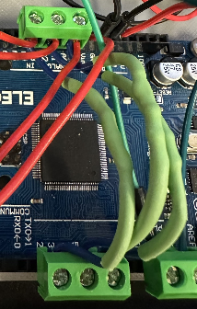
3 x 1KOHM Resistor Connections
PINS: A0,A2,A4 TO PINS 6,4,2
ARDUINO MEGA
PIN | TO / PURPOSE | TO / PURPOSE
5V | relay 5V in (relay power)
GND 1 | ESP32 GND 1 (shared GND)
GND 2 | breadboard Arduino GND (12V GND for relay / flybacks)
VIN | relay COM (12V power for valves from relay.)
A0 | front water port (capacitance sensor) | PIN 6 (1MOHM resistor in series to digital pin for modulation)
A2 | right water port (capacitance sensor) | PIN 4 (1MOHM resistor in series to digital pin for modulation)
A4 | left water port (capacitance sensor) | PIN 2 (1MOHM resistor in series to digital pin for modulation)
GND 3 | 5V GND for relay
PIN 43 | relay IN1 (trigger valve 1)
PIN 47 | relay IN2 (trigger valve 2)
PIN 51 | relay IN3 (trigger valve 3)
PIN 2 | A4 (modulate capacitance sensing)
PIN 4 | A2 (modulate capacitance sensing)
PIN 6 | A0 (modulate capacitance sensing)
PIN 10 | BNC port 1 (UF4007 diode in series. Cathode towards PIN 10)
PIN 12 | ESP32 PIN D4 (1KOHM resistor in series to signal ESP32 logging)

ESP32
PIN | TO / PURPOSE | TO / PURPOSE | TO / PURPOSE | TO / PURPOSE
VIN | RTC VCC (power for rtc) | LCD VCC (power for lcd) | 10KOHM resistor in series to BNC port signal line out. | Micro SD Card VCC
GND 1 | GND 1 on Arduino Mega (shared GND) | RTC GND | Micro SD Card GND
D12 | Micro SD CS (Chip Select, SD_CS)
D14 | BNC port 2 (For programmable BNC OUT)
D27 | BNC port 3 (BNC logging in 1)
D26 | BNC port 4 (BNC logging in 2)
D25 | BNC port 5 (BNC logging in 3)
GND 2 | LCD GND | NH-AI FED3 GND IN
D4 | Arduino PIN 12 (1KOHM resistor in series for data from Arduino)
RX2 (GPIO 16) | SCL PIN RTC (SCL pin for I2C clock signals) | SCL PIN LCD (SCL pin for I2C sync data)
TX2 (GPIO 17) | SDA PIN RTC (transmitting data) | SDA PIN LCD (transmitting data)
D5 | FED3 signal line (receive pulses from FED3) | BNC port 1 (UF4007 diode in series. Cathode towards D5)
D18 | Micro SD SCK (SPI_SCK)
D19 | Micro SD MISO (SPI_MISO)
D23 | Micro SD MOSI (SPI_MOSI)

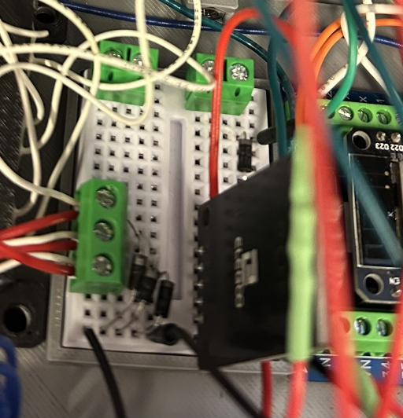
UF4007 flyback diodes (Solenoid VCC to Arduino GND 3)
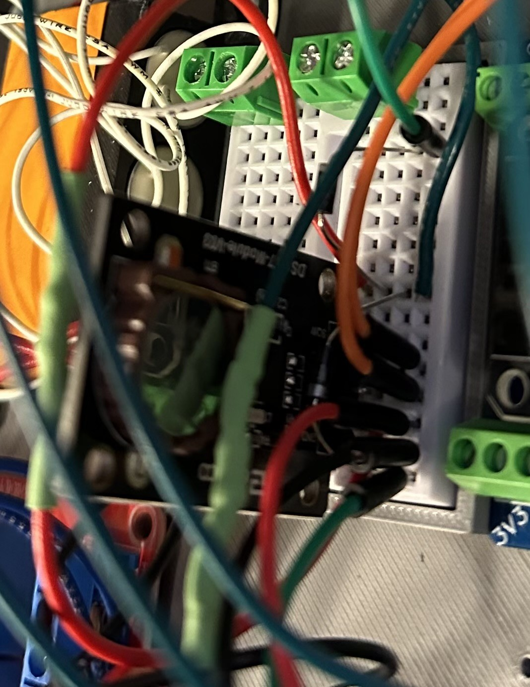
Arduino to BNC Port 1 Signal Line
(UF4007 to BNC Signal Line)
ESP 32 GND
ESP 32 VIN
ESP 32 SDA 17
ESP 32 SCL 16
Signal Line to BNC Port 1
VIN to GNC Port Signal (10KOHM Resistor)
FED3 Signal Line (D5)
BREADBOARD | Other pins use the breadboard to connect, but pin connections are listed elsewhere. Here is a photo of the setup.

Relay Module
PIN | TO / PURPOSE | TO / PURPOSE
DC + | Arduino Mega 5V (power for relays)
DC - | Arduino Mega GND 3 (ground for module)
IN1 | Arduino PIN 43 (signal relay 1)
IN2 | Arduino PIN 45 (signal relay 2)
IN3 | Arduino PIN 47 (signal relay 3)
COM1 | COM2
COM2 | COM1 | COM3
COM3 | COM 2
COM4 | All Solenoids' Common GND (plugged into relay as screw terminal to GND)
NO1 | Solenoid 1 VCC (UF4007 diode as flyback from signal line to solenoid GND. Cathode towards VCC line.)
NO2 | Solenoid 2 VCC (UF4007 diode as flyback from signal line to solenoid GND. Cathode towards VCC line.)
NO3 | Solenoid 3 VCC (UF4007 diode as flyback from signal line to solenoid GND. Cathode towards VCC line.)
NC4 | GND to breadboard to connect flyback diodes. Breadboard to Arduino GND.

Solenoids
PIN | TO / PURPOSE
S1 VCC | Relay NO1 (UF4007 flyback diode to GND. Cathode towards VCC line.)
S2 VCC | Relay NO2 (UF4007 flyback diode to GND. Cathode towards VCC line.)
S3 VCC | Relay NO3 (UF4007 flyback diode to GND. Cathode towards VCC line.)
S1 GND | Relay NC4 (Joined with S1, S2, S3 GND)
S2 GND | Relay NC4 (Joined with S1, S2, S3 GND)
S3 GND | Relay NC4 (Joined with S1, S2, S3 GND)

